Dashboard
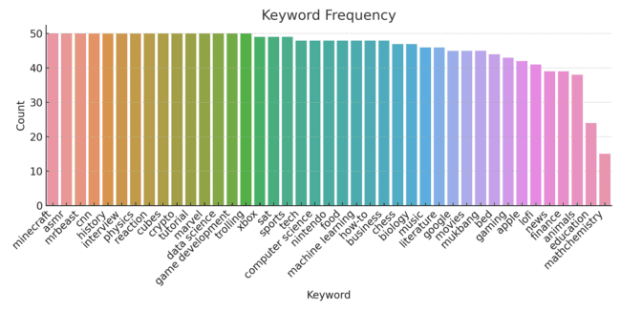
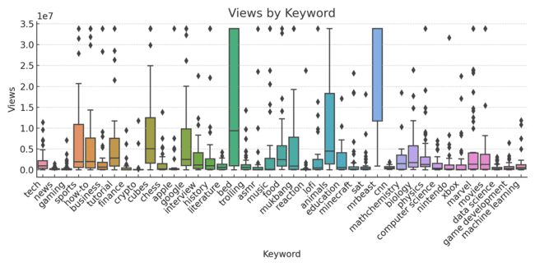
YouTube Video Dashboard

Total Views | 7503564424

Total Likes | 148760603

Total Comments | 6880560

